Sheet1
 |  | Document No. | Issue No. | Issue Date |  | Review and Replace Date |  | Authorised By
 |  | GFF294MC | 2 | 19.07.2021 |  | 28.12.2021
 |  | Document Title | BOOTHS 20 Vegetable Samosa Large 2000g
 |  |  |  |  |  |  |  | Magda Shah
Document amendments reason for change |  | Film Updated | Page 1 of 1 |  | Previous Issue Date |  | 19.07.2021 | Uncontrolled copy unless signed original

CVSAL-B20TEB | BOOTHS - DELI |  | 20 Vegetable Samosa Large 2000g
STEP 1 |  |  |  |  | STEP 2
 |  |  |  |  | 

Tray: H320/100-CLEAR (554) (PKNUT001-06) |  |  |  |  | Vegetable Samosa Large 100g (GFF003R): 20 Pieces (2000g)
Film: PP340 AF 340mmx500m (PKPRO001-15)
STEP 3
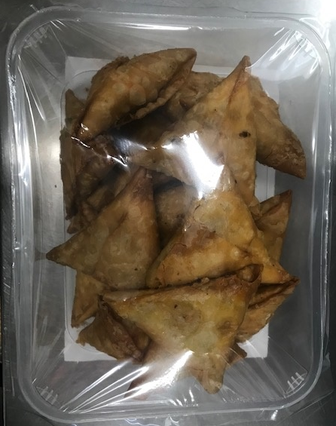 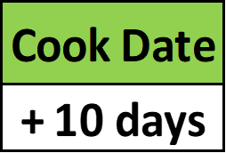

TOTAL WEIGHT: 2000g

ALLERGY ALERT: WHEAT

